UMLs
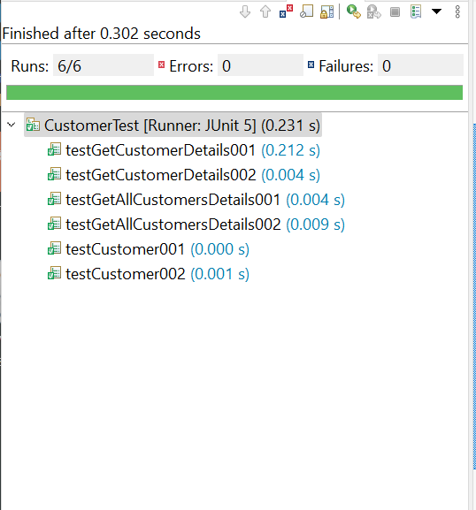
Newsagent | Admin | Customer | User | Database
- newsagentID : int | - adminID : int | - custID : int | - userID : int | - DB_DRIVER : String
- username : String | - username : String | - firstName : String | - username : String | - JDBC_URL : String
- password : String | - password : String | - lastName : String | - password : String | - USERNAME : String
- role : String | - role : String | - address : String | - role : String | - PASSWORD : String
 |  | - phoneNo : String
+Newsagent() | +Admin() | +Customer() | +User()
+Newsagent : (username: String, password: String, role: String) | +Admin : (username: String, password: String, role: String) | +Customer(firstName: String, lastName: String, custAddress: String, phoneNo: String) | +User: (username: String, password: String, role: String) | + Connection getConnection()
 |  | +getCustomer(int id) : String | + getUser(int id): void
+createCustomer(firstName: String, lastName: String, address: String, phoneNo: String) | + createUserAccount(username: String, password: String, role: String): void | +getAllCustomers() : String | +getAllUsers() : void
 |  | +getCustomerOrder(int id) : String | +getUsername() : void | DONE
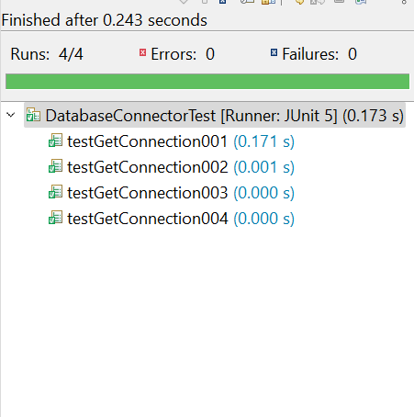
+updateCustomer (int id) | + updateUser(int id): void |  | +getPassword() : void
+getCustomer(int id) : String | + deleteUser(int id): void | +getCustID() : void | +getRole() : void
+deactivateCustomer(int id) : void | + getUser(int id): void | +getFirstName() : void | +setUsername() : String
+generateInvoice() : void |  | +getLastName() : void | +setPassword() : String
+generateDeliveryReport() : void | + isValidUsername(String username) : boolean | +getCustAddress() : void | +serRole() : String
 | +isValidPassword(String password) : boolean | +getPhoneNo() : void
+isValidName(String firstName) : boolean | +isValidRole(String role) : boolean | +setCustID() : int | DONE
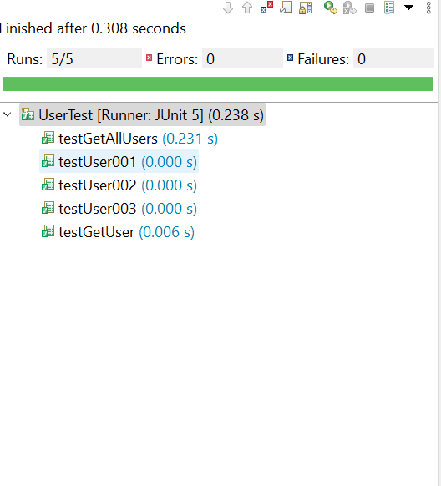
+isValidAddress(String address) : boolean | +isValidUpdate(String updateColumn, String newValue) : boolean | +setFirstName() : String
+isValidPhoneNo(String phoneNo) : boolean |  | +setLastName() : String
+isValidUpdate(String updateColumn, String newValue) : boolean |  | +setCustAddress() : String
 | DONE | +setPhoneNo() : String
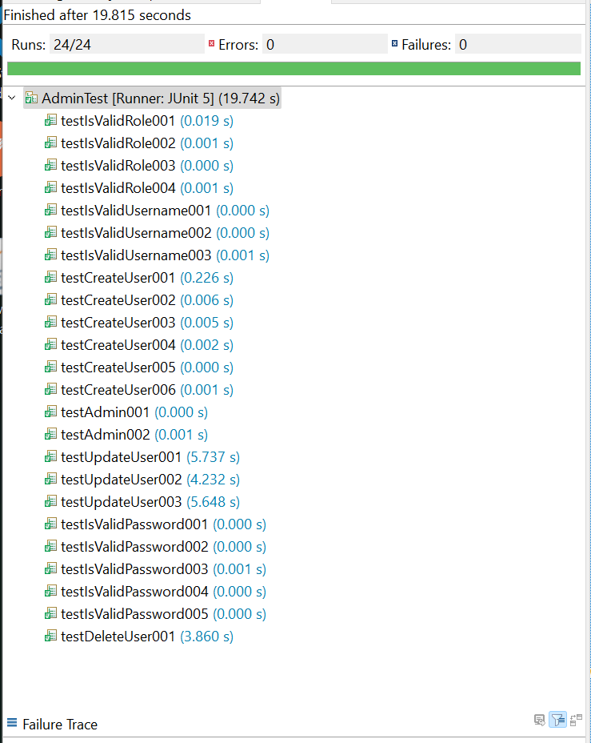
+doesCustomerExist(int id) : boolean
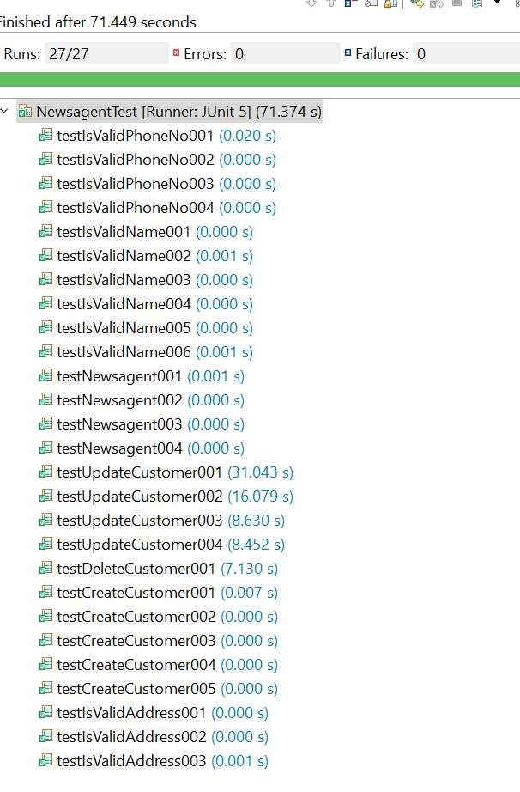
 |  | DONE

